Instructions
Professional Development Planning (PDP) | Resources

From 2023 a professional development plan (PDP) is a requirement for all doctors.
Many will be new to the concept of a PDP and ANZSOM has collaborated with the RACP to provide a template customised for Occupational Medicine that will help you formulate your first PDP.
Please note that using this template is not a requirement – it is available to you to use if you find it helpful but is just one option available to you. More information about creating a plan and other templates are available on the RACP site and it is possible to use the template in MyCPD that will automatically reflect whether your planned activities will meet CPD requirements. If you complete a PDP as part of an annual performance review, then that PDP (as long as it covers your CPD) is acceptable. | Professional Development Planning
If you do use this template, please note:
· Review the activities suggested and adjust (delete what doesn’t apply and add what is not there) to suit your specific circumstances. Add the dates by which you plan to complete the activity.
· The categories for the activities listed are suggestions only and you need to review whether you agree with the category suggested.
· Add the number of hours you predict you will spend on each activity and ensure the total the hours will meet requirements. Please note that this template automatically adds up the hours in each category.
• You can add activities already completed either in this template or directly into MyCPD or both.
· Save the template to a place that is easy to find if you are audited and/or upload to MyCPD.
· Enter MyCPD and add the activity ‘planning/maintaining a professional development plan’ and include the time you have spent. You can include in this claim time you spend looking at example activities or researching activities that would be useful for you to complete. | MyCPD
· Please remember to keep the evidence of activities you complete - see Guide to evidence. | Guide to evidence
· If you have doubts about the category for a particular activity please contact the MyCPD team:

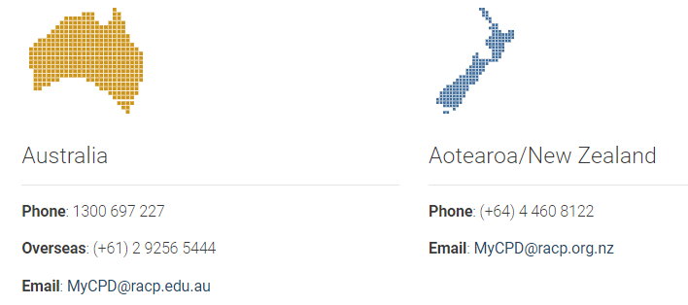

This PDP template is a trial and we welcome your feedback as to its value or otherwise. Please send feedback through to secretariat@anzsom.org.au

